Abaadee web app testing
Bug Report: Abaadee Web Application
Tester Name: Shahzaib Idrees

S.NO | Bug | Bug Screenshot | Priority | Severity | Tester Name
1 | All tab bar speed should be faster |  | P3 | S3 | Shahzaib Idrees
2 | On hovering over on all tabs thumb is showing but on area guide tab mouse added pointer is showing |  | P3 | S3 | Shahzaib Idrees
3 | In blogs tab picture allignment is out | 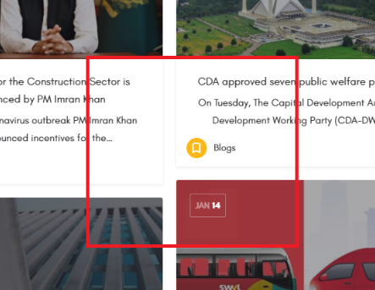 | P2 | S2 | Shahzaib Idrees
4 | In About us tab "OUR PHILOSOPHY" allignment of paragraph is out |  | P2 | S2 | Shahzaib Idrees
5 | In contact us tab "Phone Number" column accept above from 11 digits |  | P2 | S2 | Shahzaib Idrees
6 | In contact us tab 'Name" and "Last Name" column accept special characters without alphabets and send form successfully |  | P1 | S2 | Shahzaib Idrees
7 | In Contact us tab allignment of page is out | 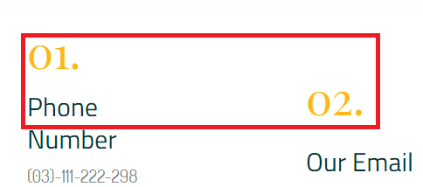 | P2 | S2 | Shahzaib Idrees
8 | In developer tab some categories not showing the images |  | P1 | S2 | Shahzaib Idrees
9 | In Beds number of allignment is manipulate |  | P3 | S3 | Shahzaib Idrees
10 | In Total Rooms number of allignment is manipulate |  | P3 | S3 | Shahzaib Idrees
11 | On window page of abaadee should be shown total room filter |  | P2 | S2 | Shahzaib Idrees
12 | On window page of abaadee "Wanted" allignment is out as compare to "Buy" and "Rent" |  | P3 | S3 | Shahzaib Idrees
13 | In filter of "Developer title" should be shown drop down list (no result found) |  | P2 | S2 | Shahzaib Idrees
14 | On window page of abaadee section of "Feature listings for sale" images allignment is out | 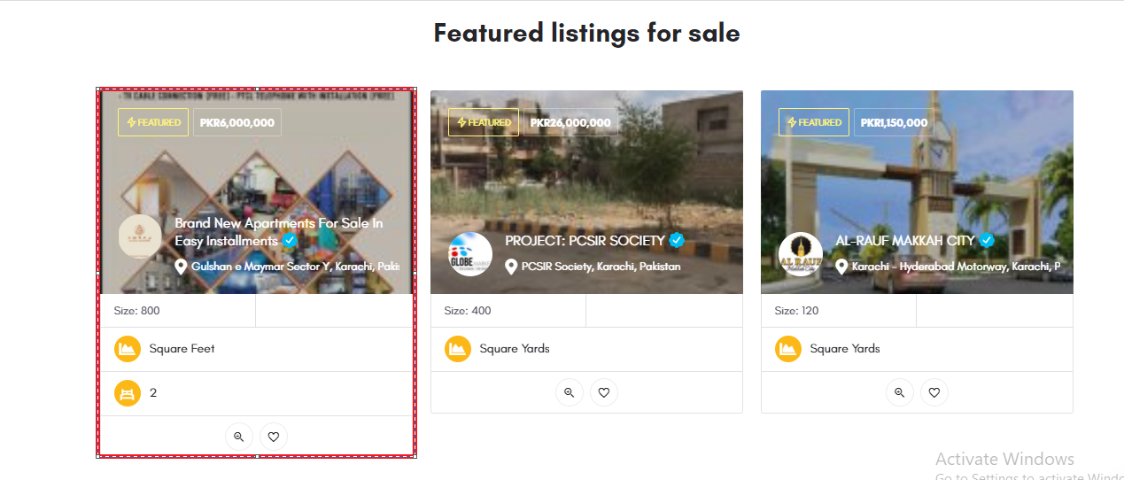 | P2 | S2 | Shahzaib Idrees
15 | On window page popular cities House and Flats doesn't show details |  | P3 | S3 | Shahzaib Idrees
16 | Click Abaadee.com the page showing the error | 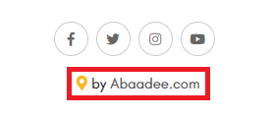 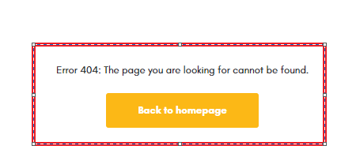 | P2 | S2 | Shahzaib Idrees
17 | In page of "Terms & Condition" allignment is out | 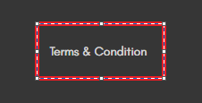 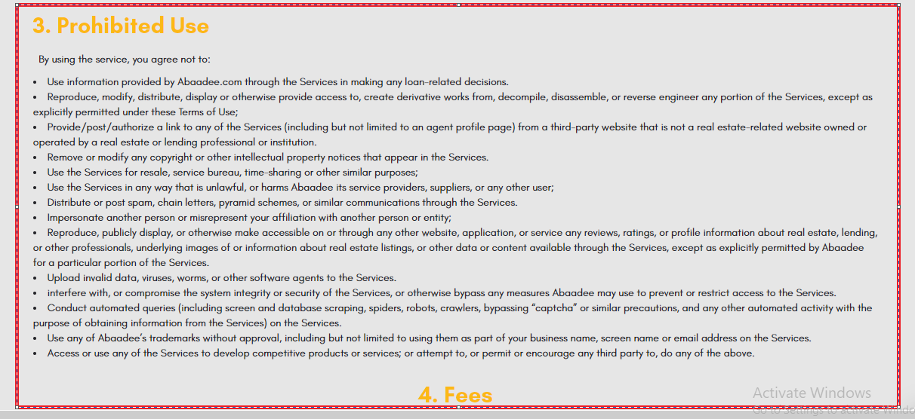 | P3 | S3 | Shahzaib Idrees
18 | In contact us tab Instagram icon should be also here |  | P2 | S2 | Shahzaib Idrees
19 | These iamges are not working should be shown partner details | 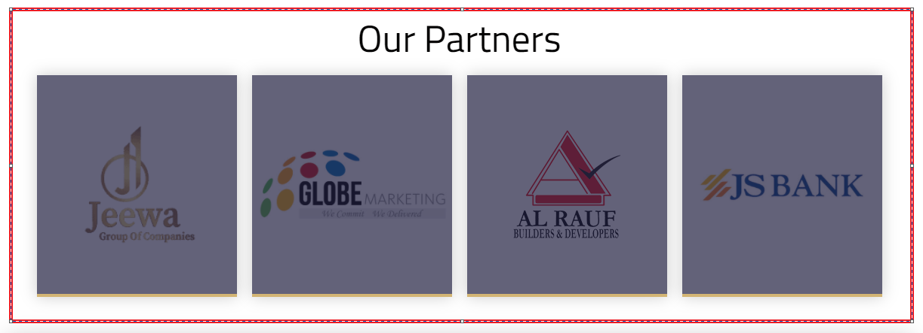 | P2 | S2 | Shahzaib Idrees
20 | In Comments of time duration should be correct | 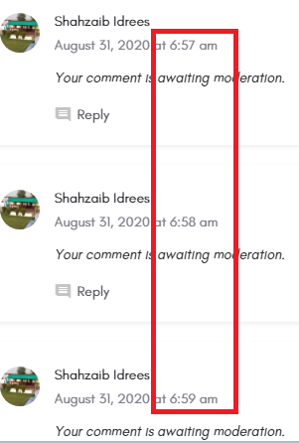 | P3 | S3 | Shahzaib Idrees
21 | In page of "Privacy Policy" allignment is out |  | P3 | S3 | Shahzaib Idrees
22 | Here it is a grammatical mistake "Be Part Of Our Success" the correct sentence is "Be A Part of Our Success" should be add alphabet "A" after "Be" |  | P3 | S3 | Shahzaib Idrees
23 | In contact us tab in "Message column" every alphabet start with Caps Letter of each word does not accpet small letter | 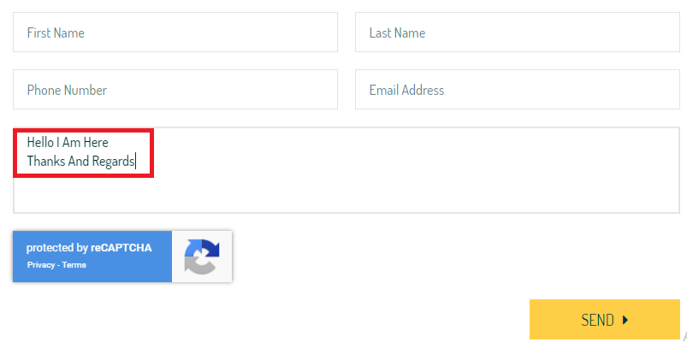 | P3 | S3 | Shahzaib Idrees
24 | In contact us tab "Email Address" column accept only Caps letter of each word should be set small letter formating | 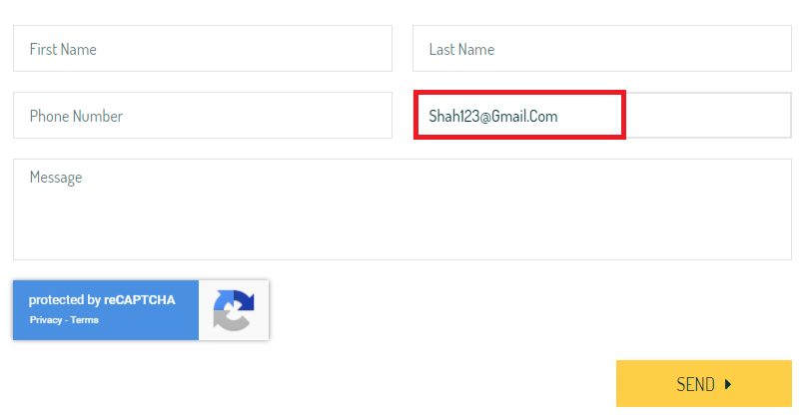 | P3 | S3 | Shahzaib Idrees
25 | Each words of first letter in caps the word of "in" first letter "I" must be in caps |  | P3 | S3 | Shahzaib Idrees
26 | In "Area Guide" tab number of allignment of some society is manipulated (e.g: Malir sector 23, Malir sector 9, |  | P3 | S3 | Shahzaib Idrees
27 | In "Bahria Green Karachi" heading allignment is out these two images shows the allignment mention in green is correct and mention in red is wrong |  | P3 | S3 | Shahzaib Idrees
28 | In "Popular Cities" some places cursor not clickable in Karachi only see both images and other cities Lahore, Islamabad, Multan, Sahiwal e.t.c cursor are not clickable in every places |  | P2 | S2 | Shahzaib Idrees
29 | On Dashboard screen these options are not working should be describe of these options | 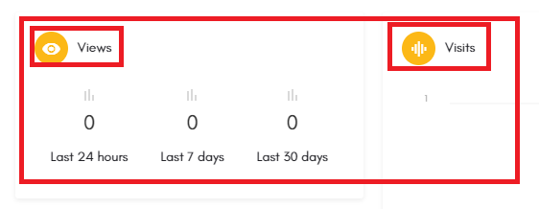 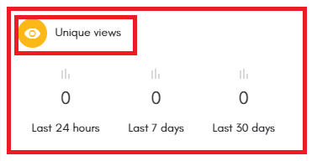 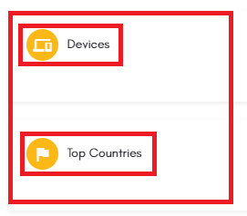 | P1 | S1 | shahzaib Idrees
30 | In Dashboard screen on this side mouse are not clickable here | 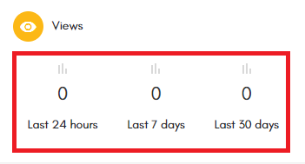 | P1 | P1 | Shahzaib Idrees
31 | On Dashboard screen these boxes are not working |  | P1 | S1 | Shahzaib Idrees
32 | In Listing tab "Beds", "Total Rooms" and "Bathrooms" number of allignment is manipulated | 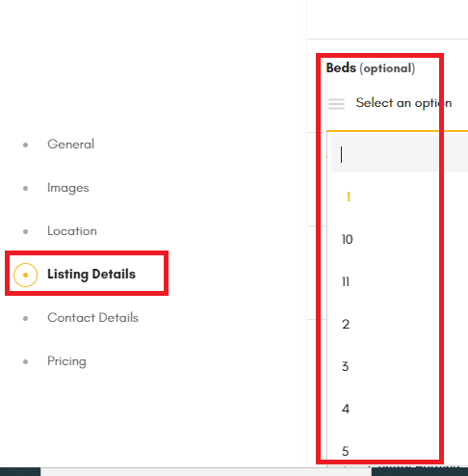 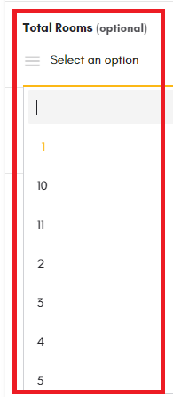 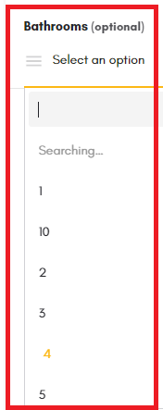 | P1 | S1 | Shahzaib Idrees
33 | Sometime automatically switch to home screen |  | P3 | S3 | Shahzaib Idrees
34 | On "Explore" tab in Categories of iamges allignment is out | 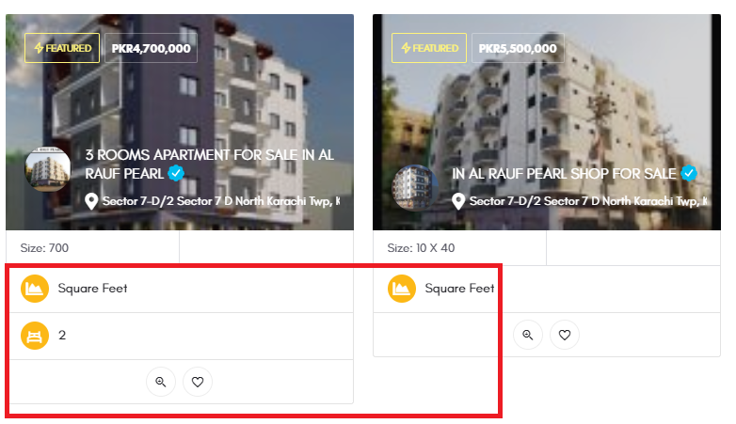 | P3 | S3 | Shahzaib Idrees
35

